Sheet1
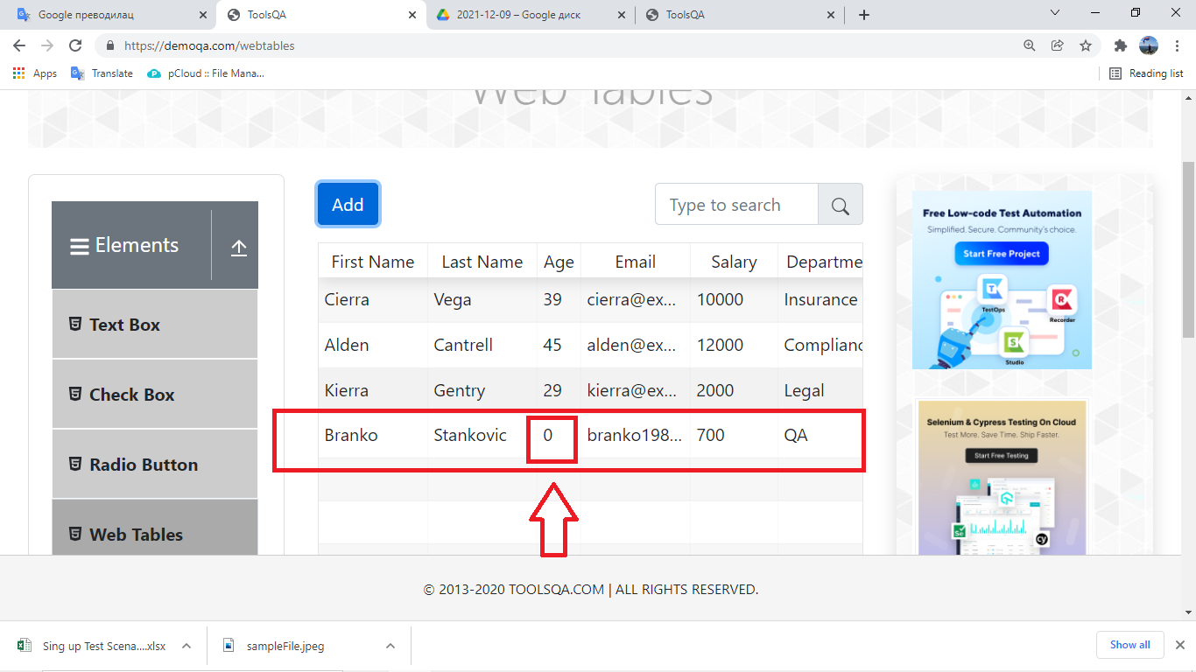
Summary

User can enter invalad Age

Description

When the user goes to https://demoqa.com/webtables and clicks on Add button, it opens Registration Form page. When the user enters an invalid Age, and all other valid entries, a new employee is created even though an invalid Age is entered.

Steps to reproduce

1. Open Google Chrome browser 2. Go to URL: https://www.demoqa.com/webtables 3. Click on "Add" button 4. Enter valid First Name example: Branko 5. Enter valid Last Name example: Stankovic 6. Enter valid Email example: branko1989stankovic@gmail.com 7. Enter invalid Age example: 0 8. Enter valid Salary example: 700 9. Enter valid Department example: QA 10. Click on "Submit" button

Expected Result

The notification appears that the entry Age is invalid by displaying a red exclamation point in the input field framed in red

Actual result

A new employee is created even though an invalid Age is entered.

Priority: Low
Severity: Low
Repro rate: 100%

Screenshot

